T7 EN SPEC
T7 Smart Watch Product Specification
ID
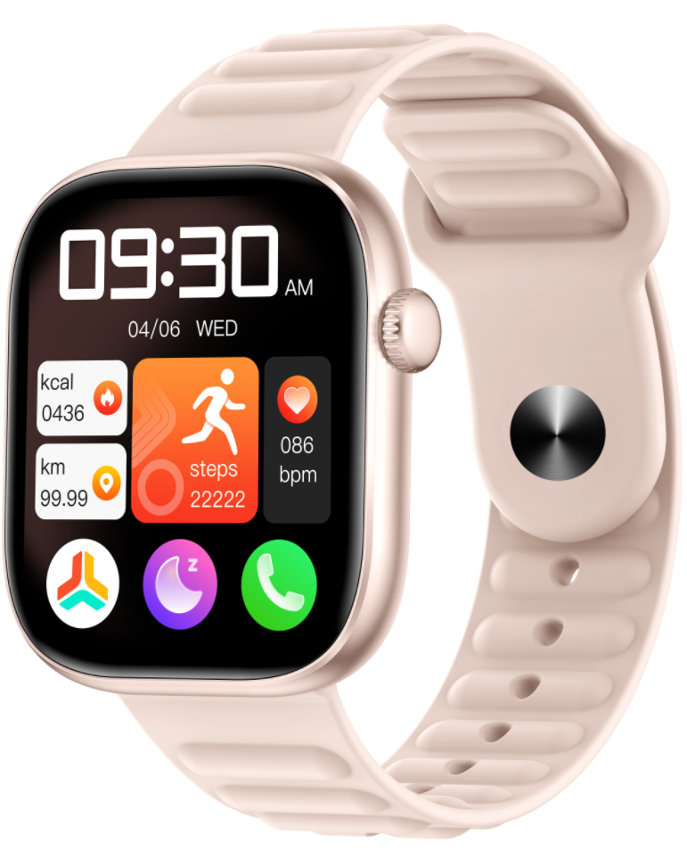 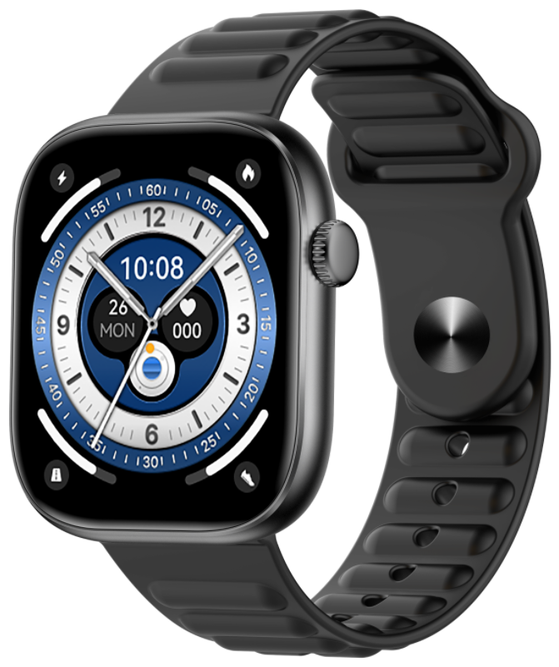 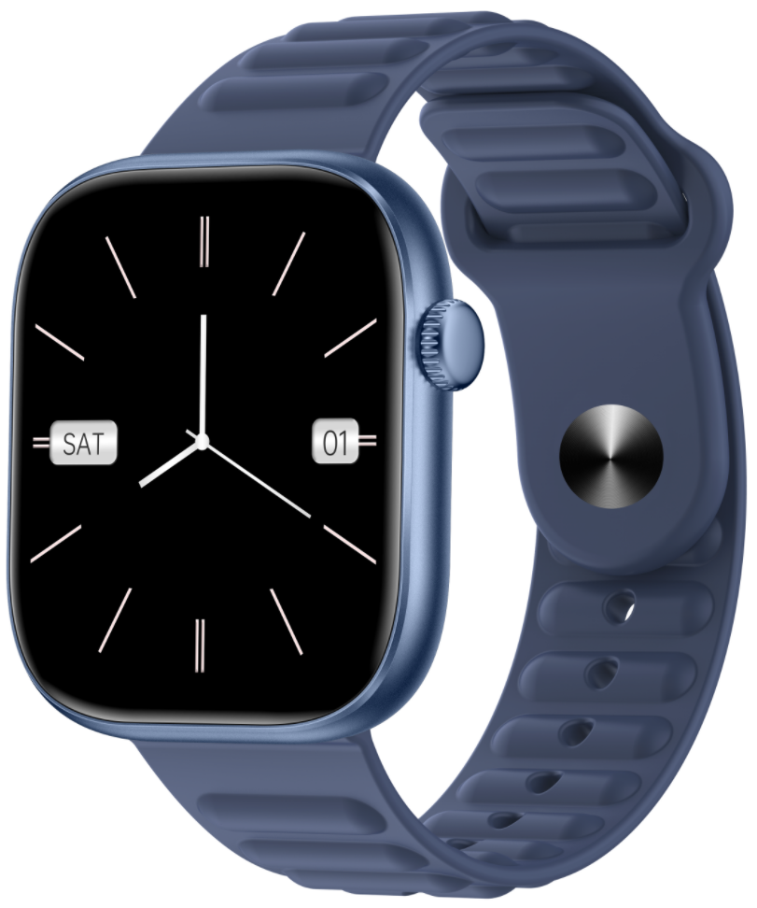
structure
Host size (mm) | 45mm*39mm*9mm
Head weight (g) | 20g
Head and strap weight (g) | 32.5g
Bottom shell material | Plastic
Strap size (mm) | 22mm
Band Material | silica gel
Key material | aluminium alloy
Waterproof | IP67
Color | Black, pink, blue
Hardware
CPU（ BT MCU） | ZB5691F
SPI ROM | 64M
Display | 1.83-inch TFT 240 * 284 pixel 206PPI
TP cover plate | 2.5D cover plate
Heart rate sensor | LC09A
G-sensor | SC7A20H
Battery capacity | 230mah
Charging method | Magnetic charging
Bluetooth version | BLE5.3
watch dial | Local dial, online dial, dial customization, album dial
Battery life | Regular use: 3-5 days, mild use: 7-10 days
App
Android/iOS QR code download | Google Play&iOS search: GloryFit
APP supports mobile system | Android 7.0 or above/iOS 11.0 or above
APP supports languages | IOS languages: Traditional Chinese, Simplified Chinese, English, Ukrainian, Russian, Bulgarian, Indonesian, Türkiye, Hebrew, German, Italian, Czech, Slovak, Japanese, French, Polish, Thai, Romanian, Portuguese, Mongolian, Spanish, Arabic, Korean Android languages: Simplified Chinese, Traditional Chinese, English, Arabic, Czech, German, Greek, Spanish, French, Hindi, Hungarian, Indonesian, Italian, Hebrew, Japanese, Korean, Mongolian, Malaysian, Polish, Portuguese, Romanian, Russian, Slovak, Thai, Türkiye, Ukrainian, Vietnamese
Software
Watch language | Chinese, English, Japanese, German, Spanish, French, Italian, Portuguese, Arabic, Russian, Turkish, Indonesian (Javanese), Thai, Vietnamese, Malaysian
Health function | Heart rate monitoring, blood oxygen monitoring, sleep monitoring, respiration monitoring, etc
Bluetooth linkage function | Call, music, voice assistant, remote control camera, etc
notice | Message notification, reminder notification, etc
Small tools | Raise your hand to turn on the screen, alarm clock, stopwatch, weather, calculator, etc
Sports mode | Multiple types of sports such as walking, running, cycling, hiking, etc
Packaging Details
Color box size (mm) | 85mm*165mm*20mm
Net weight per unit (g) | 85g
Outer box size (cm) | 440mm*345mm*210mm
Gross weight per box (kg) | 8.6Kg
Quantity/per box (pcs) | 100pcs

